EL
Moody's | Baa2
S&P | BBB-

Datos asumidos

Escenarios basados en el nivel de pasivos totales de Delta

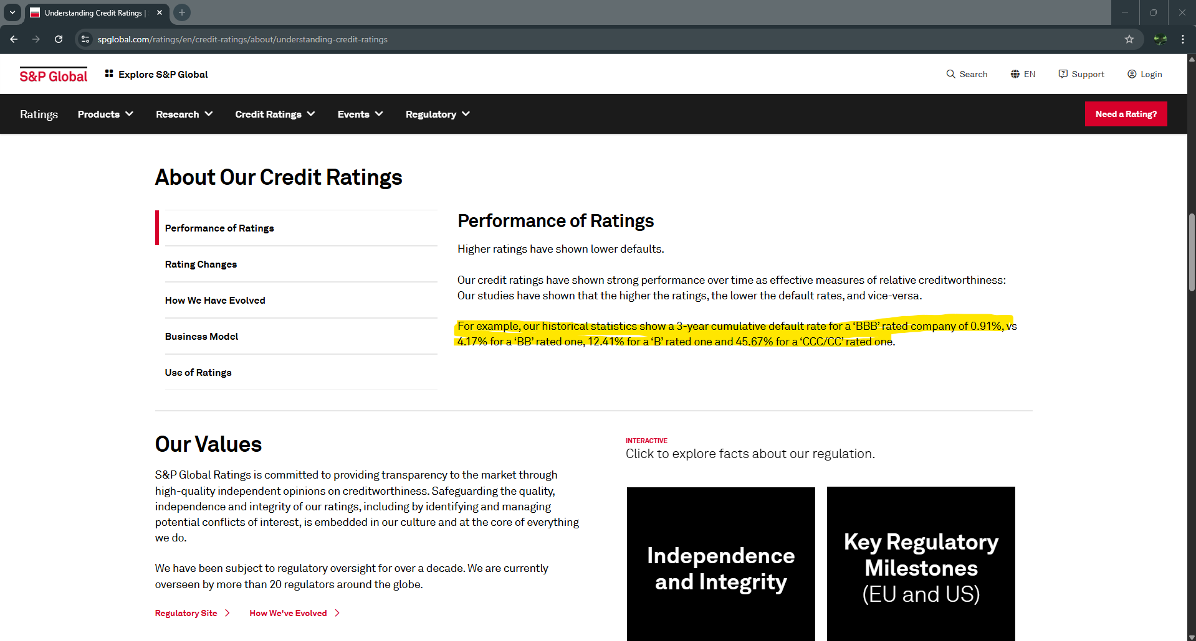
Pesimista (Deuda financiera principal y se aumenta el default a 2%, suponiendo peor escenario) |  | Conservador (incluyendo otros leases y demás) |  | Optimista (asumiento que nota la exposición estaría disponible al incumplimiento)
PD | 2% | PD | 1% | PD | 1%
LDG | 0.6 | LDG | 0.5 | LDG | 0.4
EAD | 30,000,000.00 | EAD | 25,000,000.00 | EAD | 20,000,000.00
EL | 360,000.00 | EL | 125,000.00 | EL | 80,000.00

Peso de la EAD sobre la EL | 1.2% | Peso de la EAD sobre la EL | 0.5% | Peso de la EAD sobre la EL | 0.4%

